Test case template
Център за обучение по софтуерно тестване Website: http://skillo-bg.com

Bug ID | PSB001
Name | Searching by categories is broken
Priority | P1
Severity | P3
Description | When a category is selected the page is loading and nothing happens
Steps to reproduce | 1. Load http://automationpractice.com/index.php?id_category=3&controller=category 2.Check one of the categories, for example tops Expected result: Show selected items Actual result: Loading
Attachment | 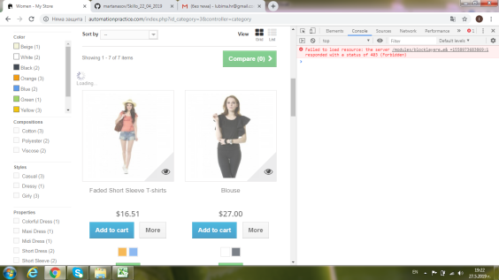
Status | opened
Component | product
Version/Build number (Found in)
Environment | OS Windows 7, Browser Chrome 74.0.3729.169
Comments
Date Created | 2019-05-26
Author | Lyubima Hristova
Audit Log

